Drawsheet
2015 NSW State 6 Red Snooker Championship

Last 16 |  | Quarter Finals |  | Semi Finals |  | Final
BEST OF 7 |  | BEST OF 9 |  | BEST OF 11 |  | BEST OF 11

JOM WANGTA | 4
PETER MATHERS | 2

 |  | JOM WANGTA | 5
 |  | SHANNON DIXON | 2

MITCHELL HANDLEY | 1
SHANNON DIXON | 4

 |  |  |  | JOM WANGTA | 6
 |  |  |  | TERRY EMMETT | 3

JOE MINICI | 4
MICHAEL HOUGH | 2

 |  | JOE MINICI | 2
 |  | TERRY EMMETT | 5

ANDREW PARKER | 1
TERRY EMMET | 4
 |  |  |  |  |  | JOM WANGTA | 6
 |  |  |  |  |  | HASSAN KERRDE | 5

STEVE JAY | 0
GARY MARES | 4

 |  | GARY MARES | W/O
 |  | LUKE HOUGH

NATHAN KARAM | 3
LUKE HOUGH | 4

 |  |  |  | GARY MARES | 1
 |  |  |  | HASSAN KERDE | 6

LUKE BRADLEY | 1
DAVID WALLER | 4

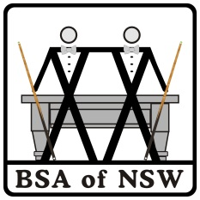
 |  | DAVID WALLER | 2
 |  | HASSAN KERDE | 5

BRETT COWLEY | 2
HASSAN KERDE | 4

